Script
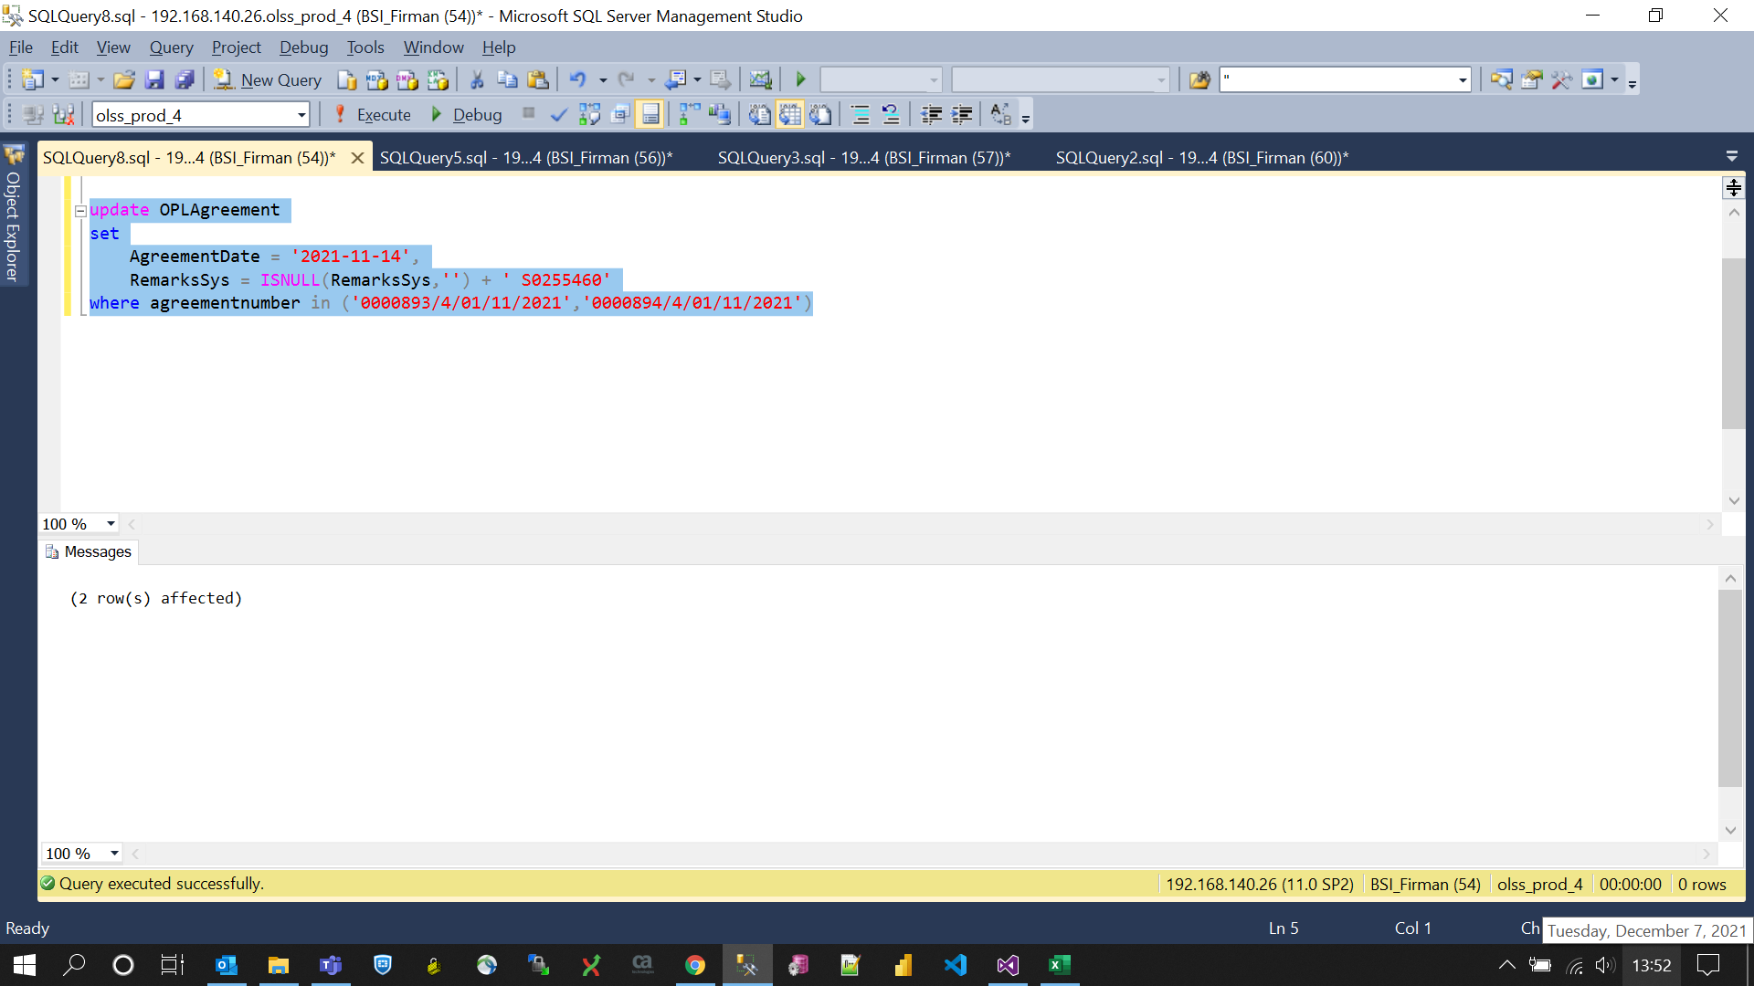
update OPLAgreement
set
 | AgreementDate = '2021-11-14',
 | RemarksSys = ISNULL(RemarksSys,'') + ' S0255460'
where agreementnumber in ('0000893/4/01/11/2021','0000894/4/01/11/2021')

Screenshot
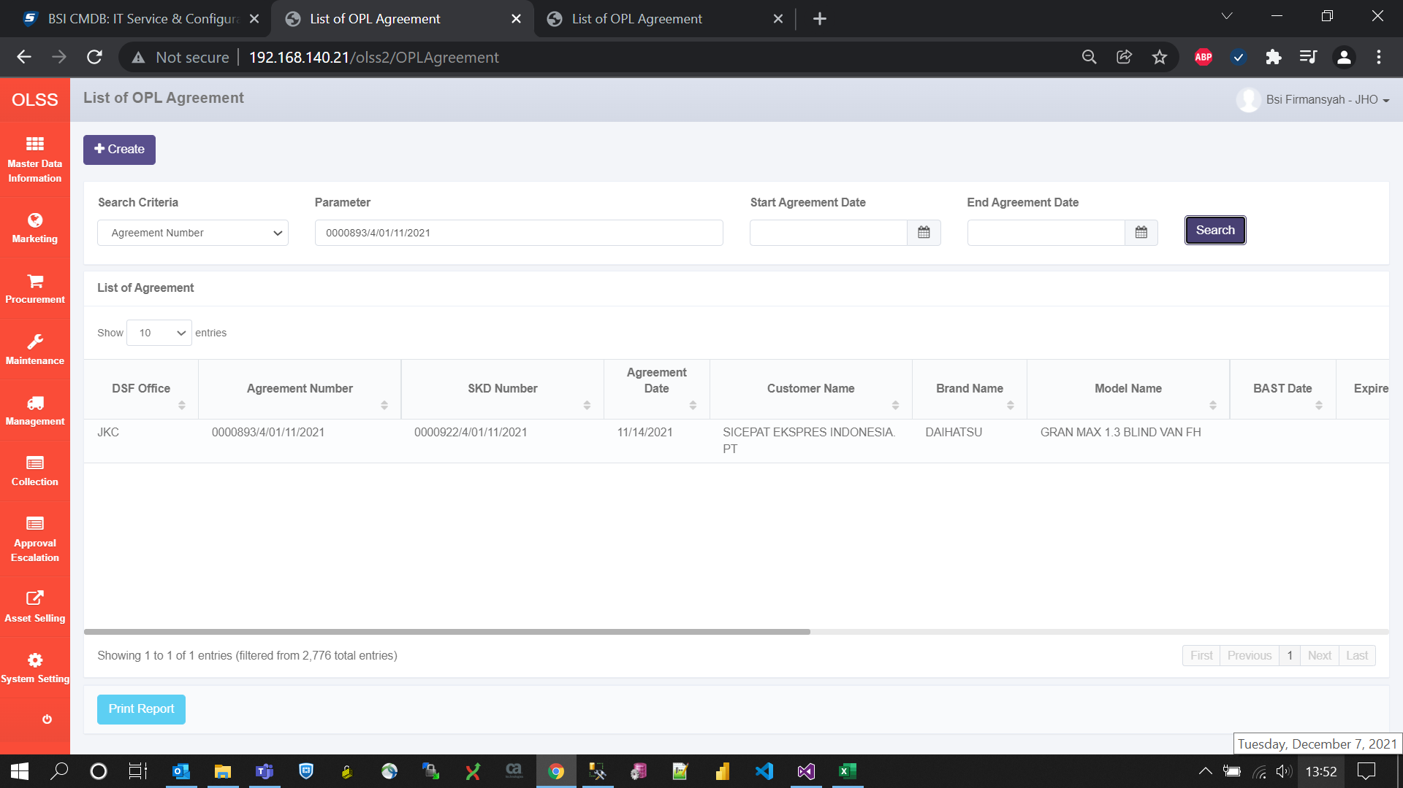
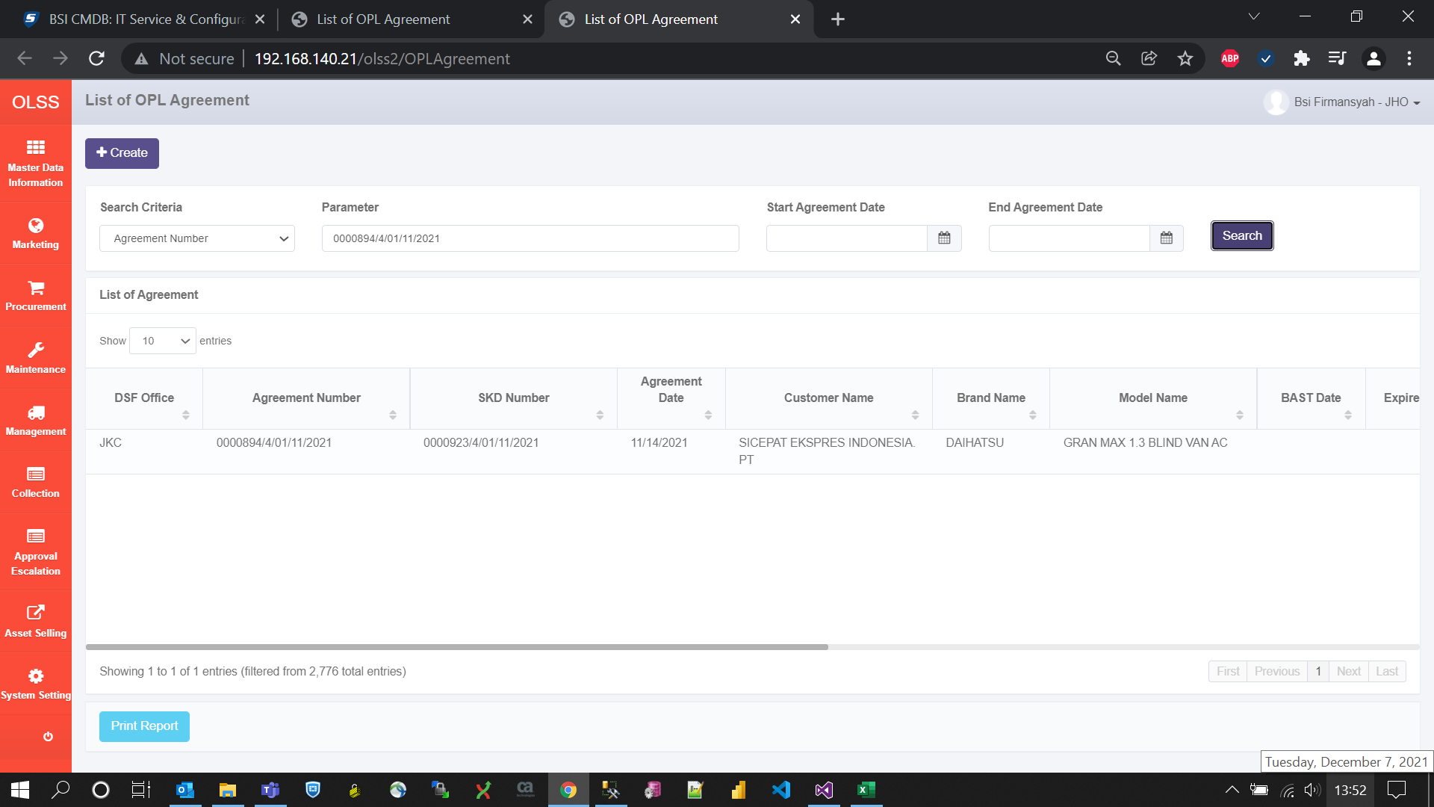
BEFORE
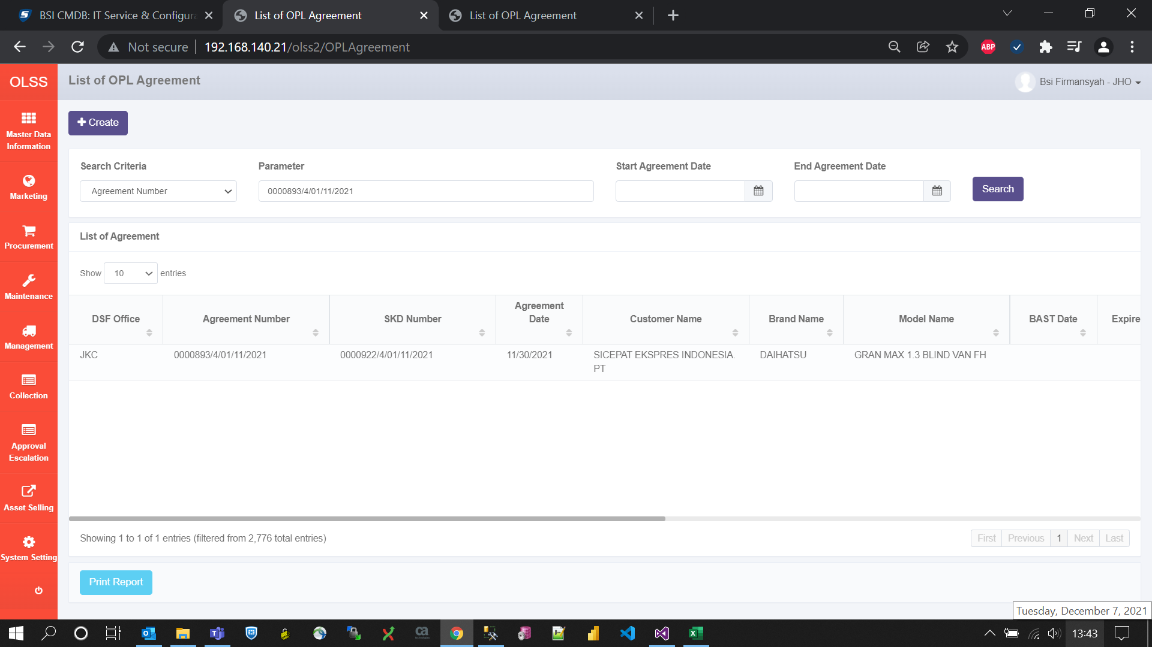


AFTER

